Sheet1
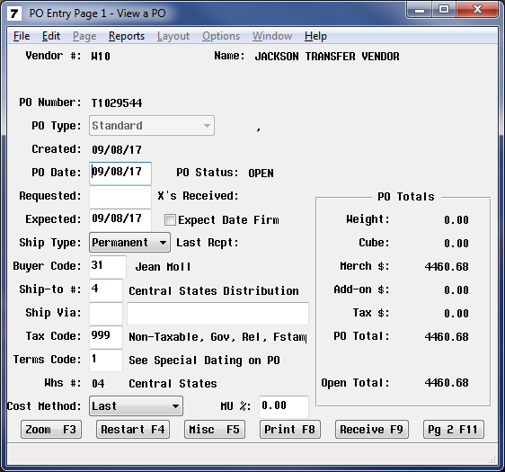
In Falcon
A- Inventory Control Menu
P-Purchasing
P-Purchasing Order Entry
Enter
Enter |  | Detail list I sent earlier
PO number = | T1029544 | 1029544 | 2017-09-11 | 10 | 4 | 20 | 28466 EA | 13 | 1308.66 | 0 | 0 | -1308.66
Receeive F9 |  |  |  |  |  |  | AIR CONDTNR 5000BTU |  | 0 | 0
yes to rec in full |  | 1029544 | 2017-09-11 | 10 | 4 | 30 | 28528 EA | 2 | 676.92 | 0 | 0 | -676.92
no to print po |  |  |  |  |  |  | AIR CONDTNR 18000 BTU W/REMOTE |  | 0 | 0
F5 to update po rec |  | 1029544 | 2017-09-11 | 10 | 4 | 40 | 77873 EA | 5 | 1082.99 | 0 | 0 | -1082.99
 |  |  |  |  |  |  | FAN 42" PRTB W/WHL BF42BD-RED |  | 0 | 0
The transfers do not always start with a t |  | 1029544 | 2017-09-11 | 10 | 4 | 50 | 34141 EA | 7 | 1174.64 | 0 | 0 | -1174.64
40086337-2 is also a transfer # |  |  |  |  |  |  | FAN 36" 2SP PRTB W/WHL BF36DD |  | 0 | 0
 |  | 1029544 | 2017-09-11 | 10 | 4 | 60 | 87784 EA | 2 | 217.47 | 0 | 0 | -217.47
Sorry I just cannot rec someone's po, until it hits the store.
 |  | N-Cuber Query Report Menu I-Inventory Control Cyber Query Reports x-Open Po Transfer Report enter beg 01 enter ending WH 99 print to Query hit excel botton.
Clear as mud??? |  | T40561806 | 40561806 | W04 | 06 | 7-Nov-17 | 1,912.30 | TRAN | 1,912.30 | 0.00 | 1,912.30
 |  | T40561818 | 40561818 | W04 | 06 | 3-Nov-17 | 1,446.64 | TRAN | 1,446.64 | 0.00 | 1,446.64
 |  | T40561823 | 40561823 | W04 | 11 | 3-Nov-17 | 314.14 | TRAN | 314.14 | 0.00 | 314.14
Thanks |  | 40086337-2 | 40561845 | W04 | 06 | 8-Nov-17 | 1,265.43 | TRAN | 1,265.43 | 0.00 | 1,265.43
Linda S ext 2862 |  | 40085977-16 | 40561933 | W04 | 06 | 8-Nov-17 | 1,601.93 | TRAN | 1,601.93 | 0.00 | 1,601.93
 |  | 40085977-23 | 40561940 | W04 | 11 | 7-Nov-17 | 944.83 | TRAN | 944.83 | 0.00 | 944.83
 |  | T40561951 | 40561951 | W04 | 11 | 7-Nov-17 | 780.33 | TRAN | 780.33 | 0.00 | 780.33

